问题
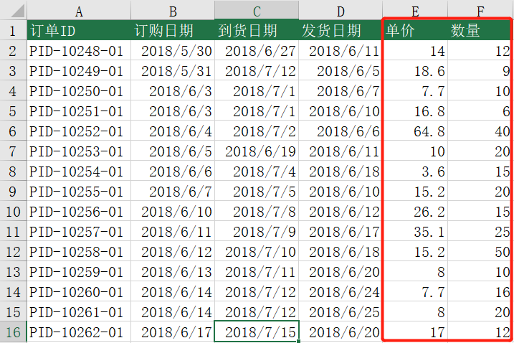
 |  | 课后小练习

任务：
 | 补齐订单表中的数据。提取“订单ID”中间的五位数字作为关键字，从“订单明细”表中抓取相关信息。
 | 完成效果如下图。

